Diadora
Picture | Product line | Product code | Case PACK | Product description | Unit Cost Euro | UNIT | Tot Value EURO | RRP | Pieces per pallet | total Pallets
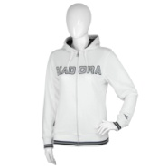 | Blue 654 | G29DI08411003 | 8 | Lady Hooded Sweatshirt S/M | € 9.99 | 1,763 | € 17,612.37 | € 39.00 | 144.0 | 12.2
 | Blue 654 | G29DI08411004 | 8 | Lady Hooded Sweatshirt M/L | € 9.99 | 1,787 | € 17,852.13 | € 39.00 | 144.0 | 12.4
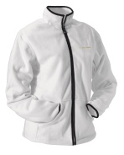 | Gold Collection | G30DI07610003 | 8 | Ladies Fleece Jacket size S/M | € 9.99 | 7,774 | € 77,662.26 | € 39.00 | 128.0 | 60.7

 |  |  |  |  |  | 11,324 | € 113,126.76 |  |  | 85.4

